Q2
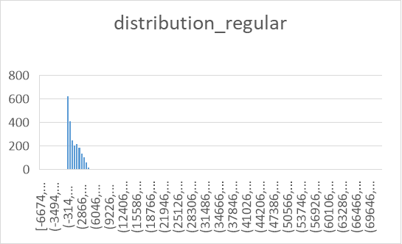
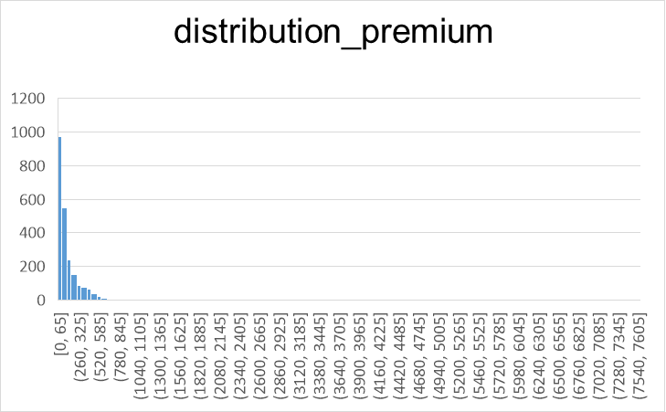
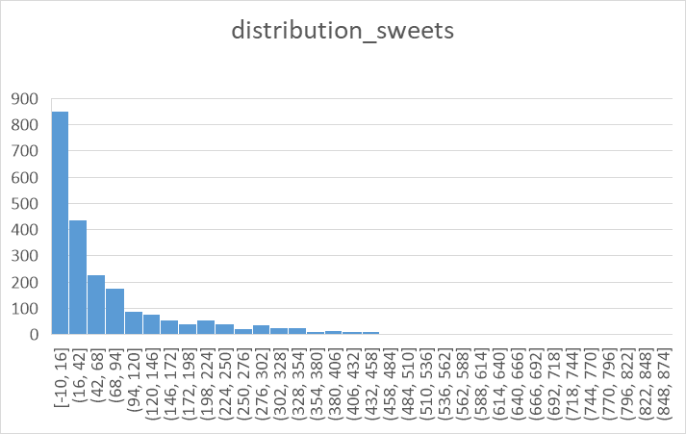
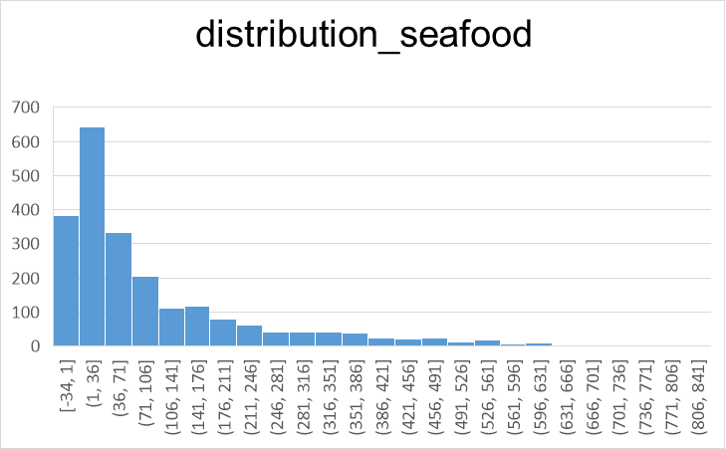
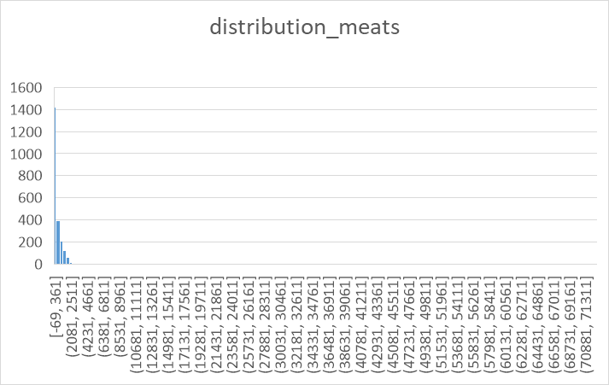
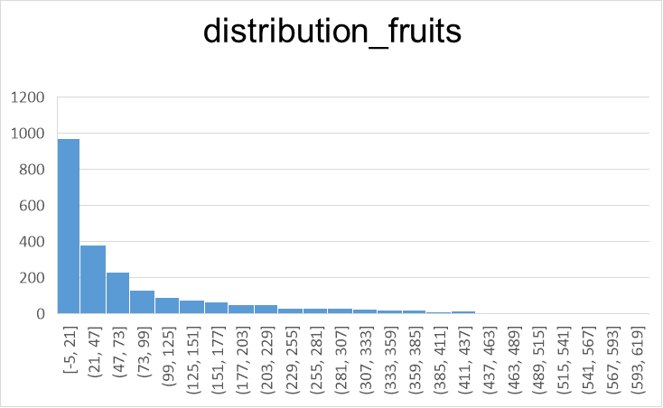
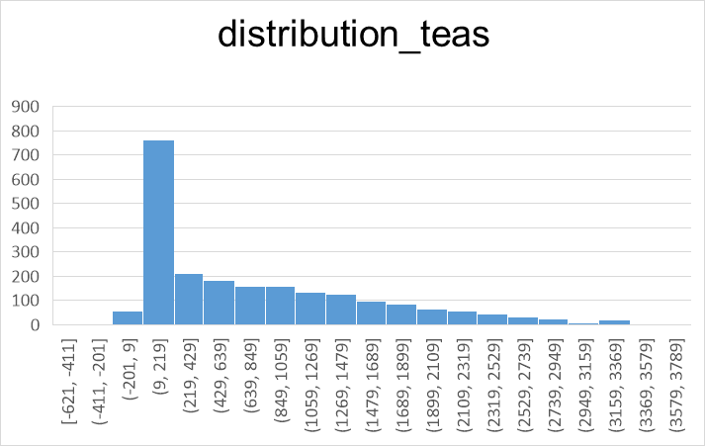
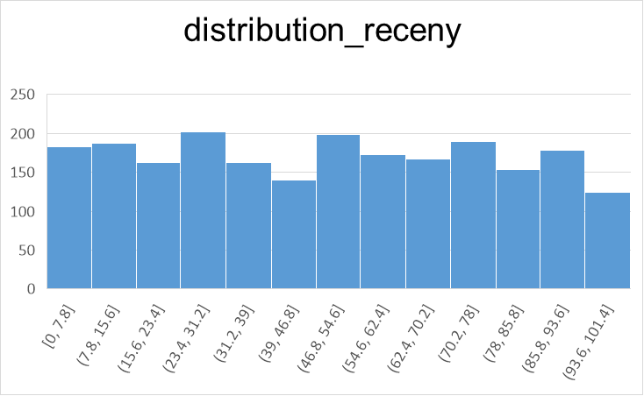
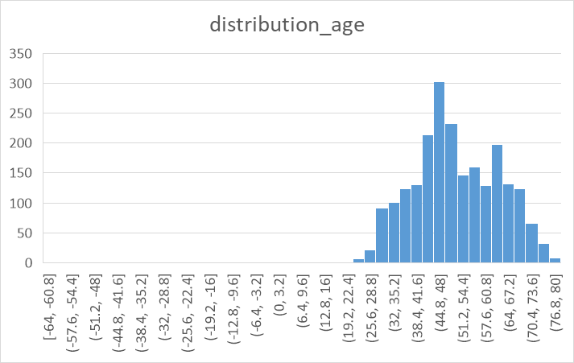
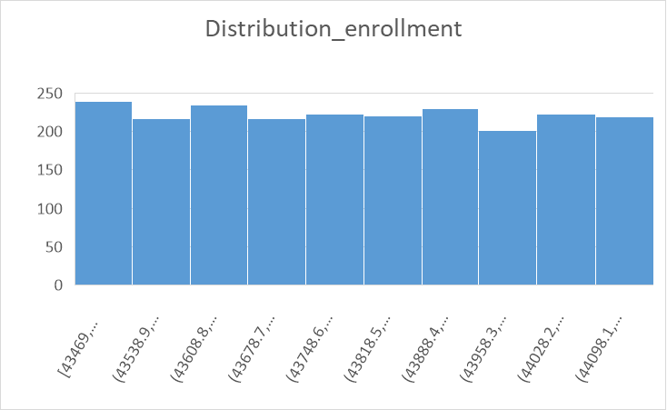
min_max values
range values
 | Icome | Age | Receny | Enrollment | Teas | Fruits | Meats | Seafood | Sweets | Premium | Regular
min | 0 | -64 | 0 | 2019-01-04 | -621 | -5 | -69 | -34 | -10 | 0 | -6674
max | 213734 | 80 | 99 | 2020-12-03 | 3734 | 614 | 72219 | 812 | 855 | 7570 | 72345
range values | 213734 | 144 | 99 | 699 | 4355 | 619 | 72288 | 846 | 865 | 7570 | 79019

frequncey
mode

 | Row Labels | frequency_campaign |  |  | Row Labels | frequency_maritalStatus
 | MC1 | 53 |  |  | Divorced | 231
 | MC2 | 1 |  |  | Married | 860
 | MC3 | 165 |  |  | Single | 482
 | MC4 | 165 |  |  | Together | 571
 | MC5 | 78 |  |  | Widow | 76
 | None | 1758 |  |  | mode | married
 | mode | "None"

 | Row Labels | frequency_EducationLevel |  |  | Row Labels | frequency_state
 | Basic | 54 |  |  | State-California | 370
 | Graduate | 1122 |  |  | State-Florida | 370
 | Master | 367 |  |  | State-Illinois | 370
 | PhD | 479 |  |  | State-New York | 370
 | Without Learning | 198 |  |  | State-Other | 370
 | mode | graduate |  |  | State-Texas | 370

 |  | frequency |  |  | frequency
 | Teas | 2204 |  | Premium | 2157
 | Fruits | 1823 |  | Regular | 4370
 | Meats | 2216 |  | mode | Regular
 | Seafood | 1837
 | Sweets | 1802
 | mode | Teas
 |  |  |  |  | frequency
 |  | frequency |  | Visits | 2214
 | Website | 2176
 | Catalog | 3821
 | Store | 2209
 | mode | catalog |  |  | frequency
 |  |  |  | Complaint | 20
 |  |  |  | Pilot | 334
distribution

Q3
Row Labels | sales by campaign | Sum of Fruits | Sum of Meats | Sum of Seafood | Sum of Sweets | Sum of Teas
MC1 | 53 | 154139 | 986946 | 219967 | 157502 | 1734336
MC2 | 1
MC3 | 165
sales by product
 | Sum of Fruits | Sum of Meats | Sum of Seafood | Sum of Sweets | Sum of Teas
Total | 154139 | 986946 | 219967 | 157502 | 1734336
MC4 | 165
MC5 | 78
None | 1758
sales by campaign
 | Total
MC1 | 53
MC2 | 1
MC3 | 165
MC4 | 165
MC5 | 78
None | 1758

Values
Sum of Regular | 2961904 |  |  |  | Values
Sum of Premium | 292422 |  |  |  | Sum of Catalog | 5862
sales by premium/regular
 | Total
Sum of Regular | 2961904
Sum of Premium | 292422
 |  |  |  |  | Sum of Website | 9108
 |  |  |  |  | Sum of Store | 12905
sales by channel
 | Total
Sum of Catalog | 5862
Sum of Website | 9108
Sum of Store | 12905

Q5.1
Row Labels | frequency_campaign | Sum of Teas | Sum of Fruits | Sum of Meats | Sum of Seafood | Sum of Sweets
MC1 | 53 | 1726434 | 153547 | 983799 | 219425 | 157199
MC2 | 1
MC3 | 163
sales by product
MC4 | 164
MC5 | 78
None | 1747
sales by campaign

Values
Sum of Premium | 275534 |  |  |  | Values
Sum of Regular | 2964829 |  |  |  | Sum of Website | 9020
sales by premium/regular
 |  |  |  |  | Sum of Catalog | 5838
 |  |  |  |  | Sum of Store | 12860
sales by channel

Bonus
1. After curating your data, are there any issues you foresee that may cause problems in your data analysis for the business problem you are addressing?
The data before cleaning:
The data after cleaning:
Before cleaning, some columns had negative values, which need fixing because they're unrealistic. After cleaning, many columns now have a minimum value of 0, but it's important to verify if these zeros are valid or represent missing data. There are large ranges in some columns like "Income" and "Regular," which might affect analysis, and outliers, such as "Seafood" at 72,219, that could distort results. The "Enrollment" column contains dates that should be checked for consistency, and scaling issues remain because columns like "Income" and "Premium" have much larger values compared to others, which might skew results in models. Additionally, the "Age" column should be reviewed to confirm it reflects a realistic range.

2. Now that you have understood your data better, can you think of additional analytical tools that will help you to perform your analysis?
To improve your analysis, you can use data visualization tools like Matplotlib, Pandas, or Seaborn to explore patterns, identify outliers, and understand variable relationships through box plots, histograms, and scatter plots. Additionally, applying scaling techniques such as Min-Max Scaling or Standardization will help handle large ranges in variables like "Income" and "Regular," ensuring balanced contributions to your analysis or models.

3. Having begun the process of working on a data analytics project, can you see how data-driven decisions might enhance the qualitative analysis management previously used to improve business results? If so, can you provide some examples?
Data-driven decisions can make business improvements more precise and impactful by adding measurable insights to the intuition managers already use. For example, instead of guessing which customers are most valuable, data can show exactly who spends the most and how often, allowing businesses to focus marketing on those groups. Similarly, analyzing purchase trends can help predict future demand, ensuring popular items are always in stock. Finally, looking at patterns like "Receny" or spending drops can help identify customers at risk of leaving, so the business can take action to keep them.

